Sheet1
 |  | Document No. | Issue No. | Issue Date |  |  | Review and Replace Date |  | Authorised By
 |  | GFF289MC | 3 | 22.06.2019 |  |  | 16.11.2021 |  | Magda Shah
 |  | Document Title | 4 VEGETABLE SPRING ROLLS 200G
Document amendments reason for change |  | Film Updated |  | Page 1 of 1 |  | Previous Issue Date |  | 22.09.2021 | Uncontrolled copy unless signed original

FVSRM-R8TCO | COOK |  | 4 VEGETABLE SPRING ROLLS 200G | FROZEN

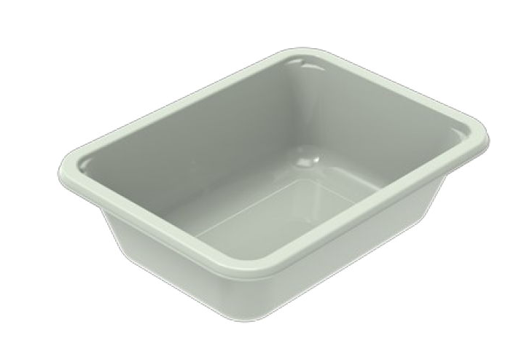 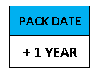  |  |  |  |  | 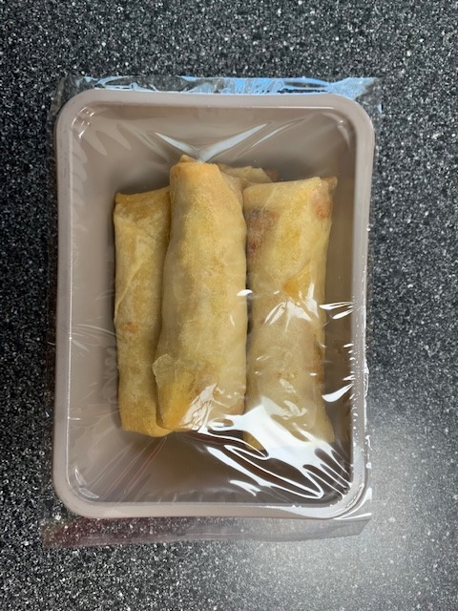

PROCESS TO FOLLOW:
- Blast freeze spring roll up to -10°C BEFORE packing
- Pack 4 spring rolls in correct tray (NO GAS)
- Immediately send to sleeving for sleeves & BB date application
- Once sleeves applied, product to be placed in a cage and sent immedniately to Blast Freezer - Dispatch

Tray: EVOLVE CPET 2171-1F FROST (PKRHP001-14) |  |  |  |  | 4 x Vegetable Spring Rolls (GFF114R) 50g
Film: K Peel 3G 25µm (275mmX1000lm) (PKKMP001-04) |  |  |  |  | Total Weight : 200g
ALLERGY ALERT: BARLEY, SOYA, WHEAT

